Voorraad
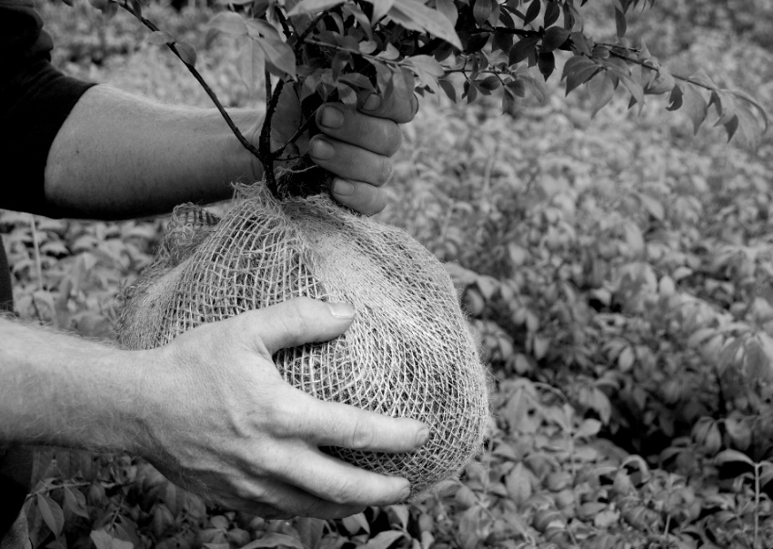
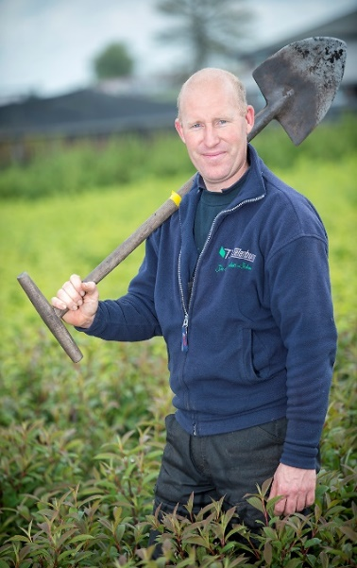
BOOMKWEKERS & EXPORTEURS - PÉPINIÈRES - BAUMSCHULEN - NURSERIES - VIVAI
Laag Boskoop 41 |  |  |  | info@twezelenburg.nl
2771 GW BOSKOOP |  |  |  | tel : +31 (0)172 21 20 51
HOLLAND |  |  |  | www.twezelenburg.nl

ONZE NIEUWSTE VOORRAADLIJST |  | JULI - AUGUSTUS 2026
OFFRE - VORRAT - STOCK LIST

Vraag ons ook naar de soorten en maten die niet vermeld staan, we helpen u graag !
Please do also ask for varieties and sizes not-mentioned, we are willing to help you !
Bitte fragen Sie uns auch nicht genannte Sorten und Grössen an, wir helfen Ihnen gerne !
Demandez nous aussi des mesures et variéts non-mentionnés, nous aimerons de vous aider !

 | * heesters - arbustes - Sträucher - shrubs *
60 | Acer buergerianum * * NEW * * | 80-100
10 | Acer buergerianum * * NEW * * | 125-150
25 | Acer buergerianum * * NEW * * | 150-175
100 | Acer capillipes | 60- 80
100 | Acer capillipes | 80-100
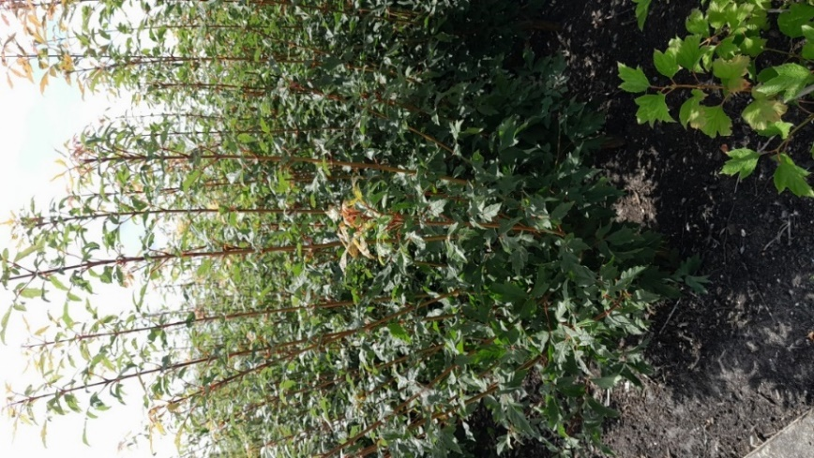
75 | Acer capillipes | 125-150
100 | Acer capillipes | 150-175
100 | Acer davidii | 80-100
175 | Acer davidii | 125-150
75 | Acer davidii | 150-175
150 | Acer griseum | 60- 80
500 | Acer griseum | 80-100
950 | Acer griseum | 100-125
35 | Acer griseum | 100-125 extra
950 | Acer griseum | 125-150
30 | Acer griseum | 125-150 extra
500 | Acer griseum | 150-175
390 | Acer japonicum 'Aconitifolium' | 50- 60
170 | Acer japonicum 'Aconitifolium' | 60- 80
100 | Acer japonicum 'Aconitifolium' | 80-100
50 | Acer japonicum 'Aconitifolium' | 100-125
25 | Acer japonicum 'Aconitifolium' | 125-150
50 | Acer japonicum 'Vitifolium' | 80-100 | Acer griseum
60 | Acer monspessulanum * * NEW * * | 60- 80
300 | Acer palmatum | 80-100
300 | Acer palmatum | 100-125
300 | Acer palmatum | 125-150
50 | Acer palmatum 'Atropurpureum' | 50- 60
500 | Acer palmatum 'Atropurpureum' | 60- 80
40 | Acer palmatum 'Atropurpureum' | 60-80 extra
1,240 | Acer palmatum 'Atropurpureum' | 80-100
900 | Acer palmatum 'Atropurpureum' | 100-125
20 | Acer palmatum 'Atropurpureum' | 100-125 extra
100 | Acer palmatum 'Bi-hoo' | 80-100
500 | Acer palmatum 'Bloodgood' | 60- 80
50 | Acer palmatum 'Bloodgood' | 60- 80 C10
600 | Acer palmatum 'Bloodgood' | 80-100
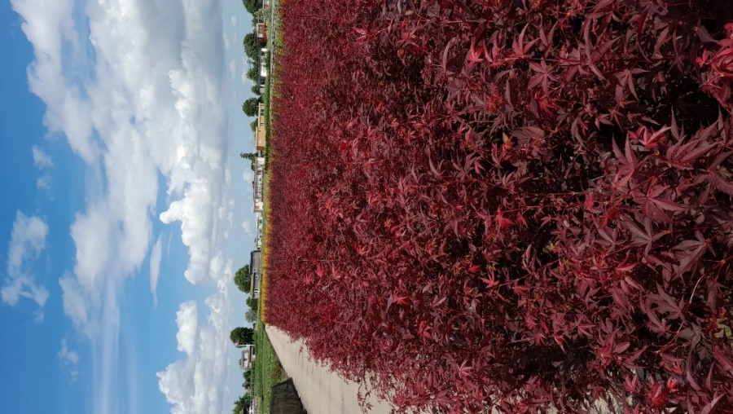
40 | Acer palmatum 'Bloodgood' | 80-100 extra
125 | Acer palmatum 'Bloodgood' | 80-100 C10
550 | Acer palmatum 'Bloodgood' | 100-125
15 | Acer palmatum 'Bloodgood' | 100-125 extra
25 | Acer palmatum 'Brown Sugar'® | 100-125
75 | Acer palmatum 'Brown Sugar'® | 125-150
15 | Acer palmatum 'Brown Sugar'® | 150-175
75 | Acer palmatum 'Crimson Queen' | 70- 90 C
50 | Acer palmatum 'Deshojo' | 60- 80
150 | Acer palmatum 'Deshojo' | 80-100
50 | Acer palmatum 'Deshojo' | 100-125
75 | Acer palmatum 'Dissectum' | 40-50
300 | Acer palmatum 'Dissectum' | 50-60
340 | Acer palmatum 'Dissectum' | 60- 80
200 | Acer palmatum 'Dissectum' | 80-100 | Acer palmatum 'Atropurpureum'
50 | Acer palmatum 'Dissectum' | 100-125 extra
100 | Acer palmatum 'Fireglow' | 80-100
50 | Acer palmatum 'Fireglow' | 100-125
60 | Acer palmatum 'Garnet' | 30- 40
350 | Acer palmatum 'Garnet' | 40- 50
900 | Acer palmatum 'Garnet' | 50- 60
300 | Acer palmatum 'Garnet' | 60- 80
80 | Acer palmatum 'Garnet' | 60- 80 C10
330 | Acer palmatum 'Garnet' | 80-100
210 | Acer palmatum 'Garnet' | 80-100 C10
50 | Acer palmatum 'Inaba-Shidara' | 50- 60
10 | Acer palmatum 'Jerre Schwartz' | 80-100
35 | Acer palmatum 'Jerre Schwartz' | 100-125
40 | Acer palmatum 'Katsura' | 80-100
60 | Acer palmatum 'Katsura' | 100-125
100 | Acer palmatum 'Orange Dream' | 60- 80 C7.5
50 | Acer palmatum 'Oridono-nishiki' | 60-80
80 | Acer palmatum 'Oridono-nishiki' | 80-100
50 | Acer palmatum 'Oridono-nishiki' | 100-125
50 | Acer palmatum 'Ornatum' | 30-40
40 | Acer palmatum 'Ornatum' | 40- 50
50 | Acer palmatum 'Osakazuki' | 60- 80
540 | Acer palmatum 'Osakazuki' | 80-100
375 | Acer palmatum 'Osakazuki' | 100-125
200 | Acer palmatum 'Osakazuki' | 125-150
75 | Acer palmatum 'Osakazuki' | 125-150 extra
100 | Acer palmatum 'Osakazuki' | 150-175
125 | Acer palmatum 'Sangokaku' | 80-100
260 | Acer palmatum 'Sangokaku' | 100-125
100 | Acer palmatum 'Sangokaku' | 100-125 C12
500 | Acer palmatum 'Sangokaku' | 125-150
50 | Acer palmatum 'Sangokaku' | 150-175
65 | Acer palmatum 'Sangokaku' | 150-175 extra
100 | Acer palmatum 'Seiryu' | 100-125
75 | Acer palmatum 'Seiryu' | 125-150
50 | Acer palmatum 'Seiryu' | 150-175
125 | Acer palmatum 'Skeeter's Broom' | 80-100
150 | Acer palmatum 'Skeeter's Broom' | 100-125
35 | Acer palmatum 'Skeeter's Broom' | 150-175 extra
150 | Acer palmatum 'Summer Gold' | 80-100
210 | Acer palmatum 'Summer Gold' | 100-125
50 | Acer palmatum 'Summer Gold' | 125-150
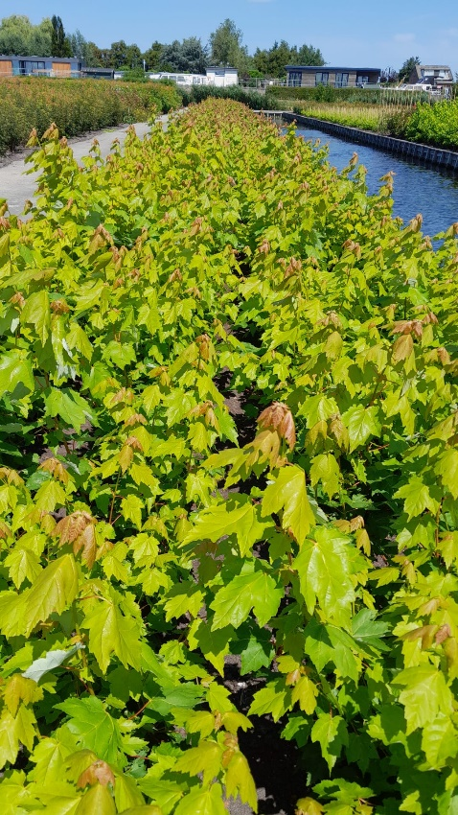
50 | Acer palmatum 'Trompenburg' | 60- 80
70 | Acer palmatum 'Trompenburg' | 80-100
30 | Acer palmatum 'Trompenburg' | 100-125
30 | Acer palmatum 'Trompenburg' | 125-150 extra
15 | Acer palm.'Twombly's Red Sentinel' | 100-125
15 | Acer palm.'Twombly's Red Sentinel' | 125-150
50 | Acer pensylvanicum * * NEW * * | 80-100
200 | Acer platanoides 'Crimson Sentry' | 100-125 struik
100 | Acer rubrum 'Brandywine' * * NEW * * | 100-125 struik
90 | Acer rubrum 'Fairview Flame' | 100-125 struik
20 | Acer rubrum 'Fairview Flame' | 150-175 meerstam
125 | Acer rubrum 'October Glory' | 100-125 C3
165 | Acer rubrum 'October Glory' | 100-125 struik
11 | Acer rubrum 'October Glory' | 150-175 meerstam
50 | Acer rubrum 'Red Sunset' | 100-125 C3 SPIL/GEV
95 | Acer rubrum 'Red Sunset' * * NEW * * | 100-125 struik
350 | Acer rubrum 'Sun Valley' | 100-125 C3 SPIL/GEV
10 | Acer rubrum 'Sun Valley' | 100-125 struik
50 | Acer rufinerve | 80-100
45 | Acer rufinerve | 100-125 | Acer rubrum in soorten
100 | Acer shirasawanum 'Aureum' | 30- 40
150 | Acer shirasawanum 'Aureum' | 40-50
30 | Acer shirasawanum 'Jordan' | 60- 80
40 | Acer shirasawanum 'Jordan' | 80-100
100 | Aesculus parviflora | 50- 60 2tak
125 | Aesculus parviflora | 60- 80
75 | Aesculus parviflora | 80-100
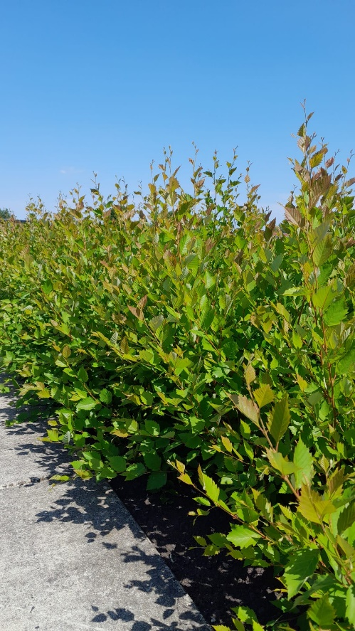
90 | Amelanchier arborea 'Robin Hill' | 40-60 C2
480 | Amelanchier arborea 'Robin Hill' | 40-60 C3
75 | Amelanchier 'Ballerina' | 60- 80 C5
50 | Amelanchier 'Ballerina' | 80-100 C7.5
200 | Amelanchier lamarckii | 80-100
150 | Amelanchier lamarckii | 100-125 C7.5 struik
75 | Aralia elata | 80-100-125 1tak
200 | Aronia arbutifolia 'Brillant' | 60- 80 C3
50 | Aronia melanocarpa | 60- 80 C3
200 | Aronia melanocarpa 'Hugin' | 60- 80 C3
100 | Aronia prunifolia 'Aron' | 60- 80 C3
200 | Aronia prunifolia 'Viking' | 60- 80 C3
200 | Aucuba japonica 'Variegata' | 40- 50 C5
165 | Berberis linaerifolia 'Orange King' | 40- 50 C4
50 | Berberis lologensis 'Apricot Queen' | 40- 50 C4
50 | Betula nigra | 125-150 struik
50 | Betula nigra | 150-175 struik
50 | Betula pendula ‘Fastigiata‘ | 125-150 C4 | Betula nigra
100 | Betula pendula ‘Purpurea‘ | 150-175 C5
200 | Betula pendula 'Spider Alley' | 125-150 C5
50 | Betula pendula ‘Tristis‘ | 175-200 C7.5
150 | Betula pendula ‘Youngii‘ | 125-150 C3
300 | Betula pendula ‘Youngii‘ | 150-175 C4
755 | Betula utilis 'Doorenbos' | 80-100 C3 SPIL/GEV
500 | Betula utilis 'Doorenbos' | 100-125 C2 SPIL
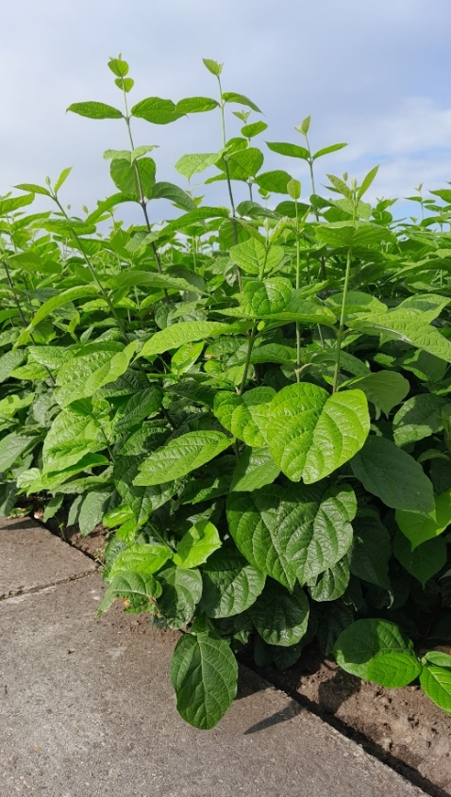
100 | Betula utilis 'Doorenbos' | 100-125 struik
25 | Betula utilis 'Doorenbos' | 100-125,MEERST
650 | Betula utilis 'Doorenbos' | 125-150 struik
65 | Betula utilis 'Doorenbos' | 225-250 struik
200 | Betula utilis 'Doorenbos' | 250-300,MEERST extra
75 | Betula utilis 'Fascination' | 125-150 C4
50 | Betula utilis 'Fascination' | 250-300, MEERST
350 | Betula utilis jacquemontii | 100-125 C2 SPIL
70 | Betula utilis jacquemontii | 100-125 struik
15 | Betula utilis jacquemontii | 100-125,MEERST
200 | Betula utilis jacquemontii | 125-150 C3 spil
200 | Betula utilis jacquemontii | 125-150 struik
150 | Betula utilis jacquemontii | 125-150,MEERST
65 | Betula utilis jacquemontii | 225-250 struik
150 | Betula utilis jacquemontii | 250-275,MEERST
25 | Buxus sempervirens | 30cm BOL
50 | Buxus sempervirens | 40cm BOL
100 | Buxus sempervirens | 45cm BOL
100 | Buxus sempervirens | 50cm BOL | Calycanthus raulst.'Hartlage Wine'
1,000 | Buxus sempervirens 'Suffruticosa' | 8- 10,P 7
300 | Callicarpa bodinieri 'Profusion' | 80-100
150 | Callicarpa bodinieri 'Profusion' | 100-125
90 | Callicarpa bodinieri 'Profusion' | 125-150 extra
100 | Calycanthus floridus | 60- 80
125 | Calycanthus floridus | 80-100
75 | Calycanthus floridus | 100-125
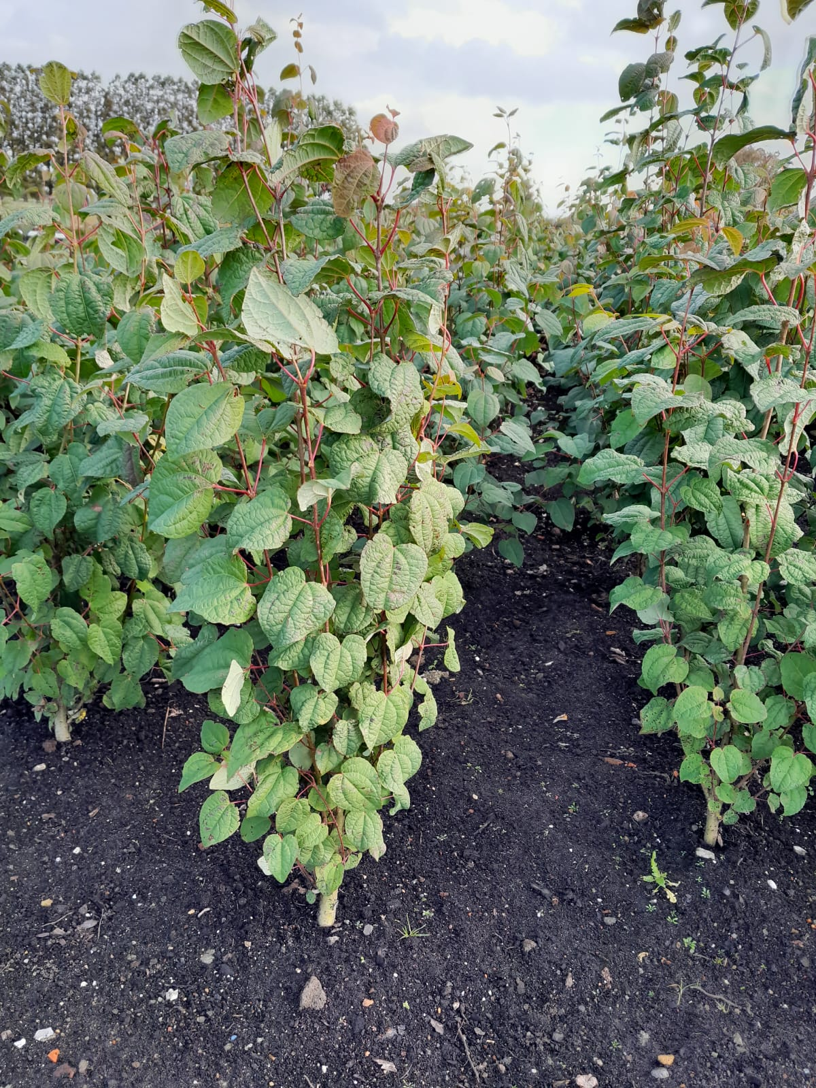
185 | Calycanthus raulstonii 'Aphrodite'® | 60- 80
90 | Calycanthus raulstonii 'Aphrodite'® | 80-100
175 | Calycanthus raulstonii 'Aphrodite'® | 100-125
150 | Calycanthus raulstonii 'Hartlage Wine' | 60- 80
140 | Calycanthus raulstonii 'Hartlage Wine' | 80-100
50 | Calycanthus raulstonii 'Hartlage Wine' | 100-125 extra
50 | Calycanthus 'Venus' | 50- 60
50 | Calycanthus 'Venus' | 60- 80
200 | Camellia japonica 'Coquettii' | 40- 60 C4
300 | Camellia japonica 'Lady Campbell' | 40- 50 C4
250 | Camellia japonica 'Nobilissima' | 40- 50 C4
200 | Camellia japonica 'Orandakô' | 30- 40 C4
100 | Camellia japonica 'Orandakô' | 100- 125
250 | Carpinus betulus 'Fastigiata' | 150-175
300 | Carpinus betulus 'Fastigiata' | 175-200
100 | Carpinus betulus 'Frans Fontaine' | 175-200
30 | Carpinus betulus 'Monument' | 60- 80
200 | Catalpa bignonioides 'Aurea' | 60-80 C7,5
500 | Catalpa bignonioides 'Aurea' | 80-100 C3 spil
100 | Catalpa bignonioides 'Aurea' | 100-125 struik
200 | Catalpa bignonioides 'Nana' | 120cm stam C7.5 | Cercidiphyllum japonicum
175 | Catalpa bignonioides 'Nana' | 150cm stam C10
200 | Catalpa erubescens 'Purpurea' | 80-100 C3
100 | Catalpa erubescens 'Purpurea' | 100-125 struik
150 | Cercidiphyllum japonicum | 80-100
150 | Cercidiphyllum japonicum | 100-125
200 | Cercidiphyllum japonicum | 125-150
50 | Cercidiphyllum japonicum | 150-175
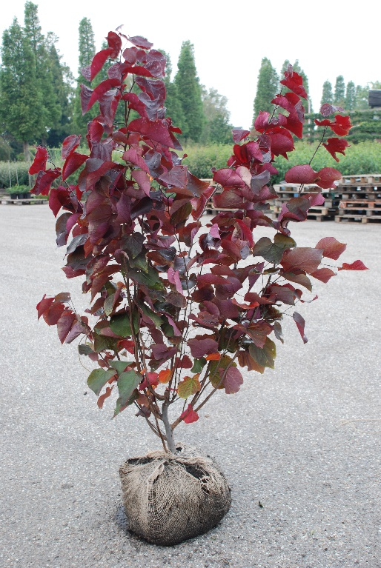
25 | Cercis canadensis | 80-100
150 | Cercis canadensis | 100-125
150 | Cercis canadensis | 125-150
70 | Cercis canadensis 'Forest Pansy' | 80-100
370 | Cercis canadensis 'Forest Pansy' | 100-125
210 | Cercis canadensis 'Forest Pansy' | 125-150 extra
75 | Cercis canadensis 'Merlot' | 60-80
10 | Cercis canadensis 'Merlot' | 100-125
5 | Cercis canadensis 'Merlot' | 125-150
100 | Cercis canadensis 'Oklahoma' | 100-125
100 | Cercis canadensis 'Red Force' | 80-100
125 | Cercis canadensis 'Royal White' | 80-100
200 | Cercis canadensis 'Ruby Falls' | 175-200 C7.5
35 | Cercis canadensis 'Texas White' | 60- 80
100 | Cercis canadensis 'The Rising Sun' | 50- 60
100 | Cercis canadensis 'Vanilla Twist' | 175-200
100 | Cercis canandensis 'Eternal Flame' | 80-100
75 | Cercis chinensis 'Avondale' | 50- 60 | Cercis canadensis 'Forest Pansy'
100 | Cercis chinensis 'Avondale' | 60- 80
75 | Cercis chinensis 'Avondale' | 80-100
100 | Cercis chinensis 'Avondale' | 100-125 extra
25 | Cercis chinensis 'Shirobana' | 80-100
35 | Cercis chinensis 'Shirobana' | 100-125 extra
35 | Cercis chinensis 'Shirobana' | 125-150 extra
200 | Cercis siliquastrum | 60- 80
235 | Cercis siliquastrum | 80-100
300 | Cercis siliquastrum | 100-125
150 | Chimonanthus praecox | 60- 80
200 | Chimonanthus praecox | 80-100
50 | Chimonanthus praecox | 100-125
75 | Chionanthus retusus | 50- 60
100 | Chionanthus retusus | 60- 80
100 | Chionanthus virginicus | 60- 80
75 | Chitalpa taschk. 'Summer Bells' | 80-100 C10 struik
100 | Cladrastis kentukea | 80-100
100 | Cladrastis kentukea | 100-125
50 | Cladrastis kentukea | 125-150
50 | Cladrastis kentukea | 150-175
75 | Clerodendron trichotonum | 100-125
125 | Clerodendron trichotonum | 125-150
125 | Clerodendron trichotonum | 150-175
50 | Clerodendron trichotonum | 175-200
25 | Clerodendron trichotonum | 200-250
75 | Clerodendron trichotonum fargesii | 100-125
100 | Clerodendron trichotonum fargesii | 125-150
100 | Clerodendron trichotonum fargesii | 150-175
25 | Clerodendron trichotonum fargesii | 175-200
100 | Clerodendron trichotonum fargesii | 200-250
130 | Colutea arborescens | 80-100
200 | Colutea arborescens | 100-125
50 | Cornus alternifolia | 60- 80
20 | Cornus alternifolia 'Argentea' | 80-100
55 | Cornus alternifolia 'Argentea' | 100-125
25 | Cornus alternifolia 'Argentea' | 125-150
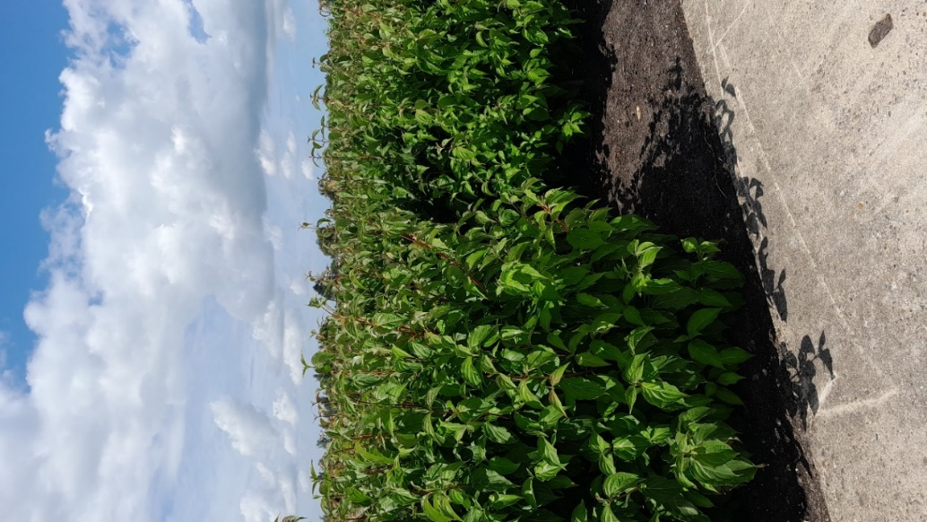
75 | Cornus alternifolia 'Golden Shadows'® | 50- 60 C4
75 | Cornus 'Ascona' | 80-100
250 | Cornus canadensis | 15-20 C2
40 | Cornus controversa | 60- 80
300 | Cornus controversa | 80-100
10 | Cornus controversa | 125-150
25 | Cornus controversa | 150-175 extra
35 | Cornus controversa | 175-200 extra
20 | Cornus controversa | 200-225 extra
50 | Cornus controversa 'Pagoda' | 80-100
50 | Cornus controversa 'Pagoda' | 100-125
50 | Cornus controversa 'Variegata' | 80-100
300 | Cornus controversa 'Variegata' | 100-125
325 | Cornus controversa 'Variegata' | 125-150
225 | Cornus 'Eddie's White Wonder' | 80-100
125 | Cornus florida | 60- 80
175 | Cornus florida | 80-100
285 | Cornus florida | 100-125 | Cornus kousa chinensis
15 | Cornus florida | 125-150 C20
50 | Cornus florida 'Cherokee Chief' | 50- 60
150 | Cornus florida 'Cherokee Chief' | 60- 80
100 | Cornus florida 'Cherokee Chief' | 80-100
100 | Cornus florida 'Cherokee Princess' | 60- 80
75 | Cornus florida 'Cherokee Princess' | 80-100
40 | Cornus florida 'Daybreak' | 40- 60
100 | Cornus florida 'Red Giant' | 60- 80
125 | Cornus florida rubra | 60- 80
50 | Cornus florida rubra | 80-100
100 | Cornus florida urbiniana | 80-100
115 | Cornus kousa | 80-100
125 | Cornus kousa | 100-125
100 | Cornus kousa | 125-150 extra
75 | Cornus kousa 'Beni- fuji' | 60- 80
100 | Cornus kousa 'Bultinck's Giant Flowers' | 60- 80
100 | Cornus kousa 'Cappuccino' | 80-100
275 | Cornus kousa 'Cappuccino' | 100-125
100 | Cornus kousa 'Cappuccino' | 125-150
57 | Cornus kousa 'Cappuccino' | 125-150 C20
350 | Cornus kousa 'China Girl' | 80-100
250 | Cornus kousa 'China Girl' | 100-125
450 | Cornus kousa 'China Girl' | 125-150
16 | Cornus kousa 'China Girl' | 125-150 C20
65 | Cornus kousa 'China Girl' | 175-200 extra
50 | Cornus kousa chinensis | 60- 80
175 | Cornus kousa chinensis | 80-100
375 | Cornus kousa chinensis | 100-125
200 | Cornus kousa chinensis | 125-150 extra | Cornus kousa 'Milky Way'
9 | Cornus kousa chinensis | 125-150 C15
50 | Cornus kousa chinensis | 150-175 extra
200 | Cornus kousa 'Flower Tower' | 50- 60
200 | Cornus kousa 'Flower Tower' | 125-150
75 | Cornus kousa 'Heart Throb' (Schmred) | 80-100
350 | Cornus kousa 'Milky Way' | 80-100
250 | Cornus kousa 'Milky Way' | 100-125
350 | Cornus kousa 'Milky Way' | 125-150
27 | Cornus kousa 'Milky Way' | 125-150 C25
65 | Cornus kousa 'Milky Way' | 175-200 extra
100 | Cornus kousa 'Moonbeam' | 80-100
75 | Cornus kousa 'Samaritan' | 80-100
300 | Cornus kousa 'Satomi' | 80-100
700 | Cornus kousa 'Satomi' | 100-125
65 | Cornus kousa 'Satomi' | 125-150 extra
30 | Cornus kousa 'Schmetterling' | 80-100
150 | Cornus kousa 'Schmetterling' | 100-125
50 | Cornus kousa 'Schmetterling' | 100-125 C20
4 | Cornus kousa 'Schmetterling' | 125-150 C20
60 | Cornus kousa 'Summer Fun' | 60- 80
110 | Cornus kousa 'Teutonia' | 80-100
85 | Cornus kousa 'Teutonia' | 100-125
37 | Cornus kousa 'Teutonia' | 100-125 C20
50 | Cornus kousa 'Weisse Fontaine' | 60- 80
150 | Cornus kousa 'Weisse Fontaine' | 80-100
40 | Cornus kousa 'Weisse Fontaine' | 100-125
100 | Cornus kousa 'Weisse Fontaine' | 125-150
50 | Cornus kousa 'Wieting's Select' | 60- 80
115 | Cornus kousa 'Wieting's Select' | 80-100
80 | Cornus kousa 'Wieting's Select' | 100-125
58 | Cornus kousa 'Wieting's Select' | 125-150 C20
18 | Cornus kousa 'Wieting's Select' | 150-175 C20
150 | Cornus mas | 60- 80
200 | Cornus mas | 100-125
50 | Cornus mas | 175-200
40 | Cornus mas 'Jolico' | 80-100
105 | Cornus mas 'Jolico' | 100-125
150 | Cornus 'Norman Haddon' | 80-100
200 | Cornus nuttallii 'Monarch' | 80-100
150 | Cornus X 'Rutban' Aurora | 80-100
75 | Cornus X 'Rutfan' Stardust | 80-100 C7.5
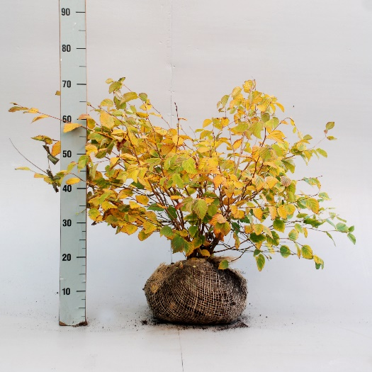
250 | Cornus X 'Rutgan' Stellar Pink | 80-100
125 | Cornus X 'Rutlan' Ruth Ellen | 80-100
400 | Cornus sanguinea 'Midwinter Fire' | 30- 40 C3
350 | Cornus sanguinea 'Winter Beauty' | 30- 40 C3
50 | Corylopsis pauciflora | 25- 30
150 | Corylopsis pauciflora | 30- 40
100 | Corylopsis pauciflora | 40- 50
50 | Corylopsis pauciflora | 50- 60
100 | Corylopsis pauciflora | 60- 80
125 | Corylopsis spicata | 50- 60
50 | Corylopsis spicata | 80-100
50 | Corylopsis spicata | 100-125
175 | Corylus avellana 'Contorta' | 80-100 2-3 tak | Corylopsis pauciflora
100 | Corylus avellana 'Contorta' | 100-125
250 | Corylus maxima 'Purpurea' | 60- 80 C5
75 | Corylus 'Red Majestic' | 60- 80
150 | Corylus 'Red Majestic' | 80-100
200 | Corylus 'Rode Zellernoot' | 100-125
150 | Cotinus coggygria | 60- 80
150 | Cotinus coggygria | 80-100
50 | Cotinus coggygria | 100-125
125 | Cotinus coggygria | 125-150
50 | Cotinus coggygria 'Golden Spirit'® | 50- 60
125 | Cotinus coggygria 'Golden Spirit'® | 60- 80
150 | Cotinus coggygria 'Golden Spirit'® | 80-100
150 | Cotinus coggygria 'Royal Purple' | 60- 80
450 | Cotinus coggygria 'Royal Purple' | 80-100
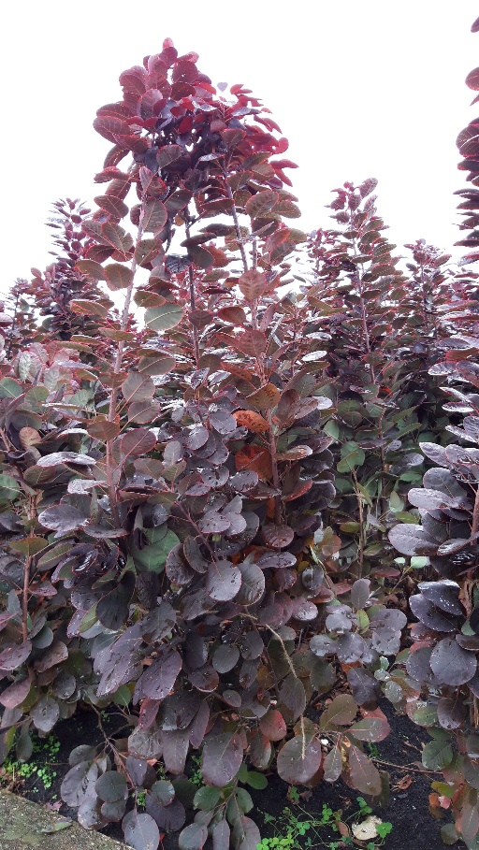
475 | Cotinus coggygria 'Royal Purple' | 100-125
80 | Cotinus coggygria 'Royal Purple' | 80 of 100cm stam C5
125 | Cotinus coggygria 'Young Lady'® | 50- 60
150 | Cotinus coggygria 'Young Lady'® | 60- 80
250 | Cotinus 'Grace' | 60- 80 C5
175 | Cotinus 'Grace' | 80-100 C7.5
250 | Cytisus 'Apricot Gem' | 30- 40 C2
150 | Cytisus 'Boskoop Ruby' | 30- 40 C2
200 | Cytisus 'Golden Sunlight' | 30- 40 C2
150 | Cytisus 'Goldfinch' | 30- 40 C2
350 | Cytisus 'Lena' | 30- 40 C2
200 | Cytisus 'Luna' | 30- 40 C2
250 | Cytisus praecox | 30- 40 C2
200 | Cytisus praecox 'Allgold' | 30- 40 C2
250 | Cytisus scoparius 'Vanesse' | 30- 40 C2
350 | Cytisus 'Zeelandia' | 30- 40 C2
10 | Davidia involucrata | 80-100
115 | Davidia involucrata | 100-125
150 | Davidia involucrata | 125-150
300 | Decaisnea fargesii | 40- 50- 60 C2
120 | Edgeworthia chrysantha 'Grandiflora' | 40- 50 | Cotinus coggygria 'Royal Purple'
100 | Edgeworthia chrysantha 'Grandiflora' | 60- 80
100 | Edgeworthia chrysantha 'Grandiflora' | 80-100
450 | Elaeagnus ebbingei | PLG W
250 | Elaeagnus ebbingei | 30- 40
250 | Elaeagnus ebbingei | 40- 50
150 | Elaeagnus ebbingei | 50- 60
50 | Elaeagnus ebbingei | 60- 80
250 | Elaeagnus ebbingei | 80-100
100 | Elaeagnus ebbingei | 100-125
400 | Elaeagnus ebbingei 'Compacta' | 50- 60
475 | Elaeagnus ebbingei 'Compacta' | 60- 80
100 | Elaeagnus ebbingei 'Compacta' | 80-100
240 | Elaeagnus ebbingei 'Limelight' | PLG W X/1/1
100 | Elaeagnus ebbingei 'Limelight' | 40- 50
50 | Elaeagnus ebbingei 'Limelight' | 50- 60
100 | Elaeagnus ebbingei 'Limelight' | 60- 80
70 | Elaeagnus ebbingei 'Limelight' | 80-100
75 | Elaeagnus pungens 'Maculata' | PLG W X/1/1
100 | Elaeagnus pungens 'Maculata' | 40- 50
80 | Elaeagnus pungens 'Maculata' | 50- 60
75 | Elsholtzia stauntonii | 40- 60 C3
100 | Enkianthus campanulatus | 50- 60
115 | Enkianthus campanulatus | 60- 80
100 | Enkianthus campanulatus | 80-100
75 | Enkianthus campanulatus 'Pagode' | 50- 60 C4
90 | Eriobotrya japonica | 60- 80 C7.5
585 | Eucalyptus gunnii | 50- 60 C2
1,000 | Euonymus alatus | 25-30 W
75 | Euonymus alatus | 40- 50
325 | Euonymus alatus | 50- 60
400 | Euonymus alatus | 60- 80
1,000 | Euonymus alatus 'Compactus' | 25-30 W
200 | Euonymus alatus 'Compactus' | 30- 40
200 | Euonymus alatus 'Compactus' | 40- 50
250 | Euonymus alatus 'Compactus' | 50- 60
500 | Euonymus alatus 'Compactus' | 60- 80
1,000 | Euonymus jap. Green Spire | 50-60
50 | Exochorda racemosa | 100-125
50 | Exochorda racemosa 'Blushing Pearl' | 60- 80 C7.5
100 | Exochorda racemosa 'Niagara'® | 80-100
50 | Exochorda racemosa 'Niagara'® | 100-125
200 | Exochorda 'The Bride' | 60- 80
300 | Exochorda 'The Bride' | 80-100
25 | Fagus sylvatica 'Aspleniifolia' | 100-125
35 | Fagus sylvatica 'Aspleniifolia' | 125-150
25 | Fagus sylvatica 'Black Swan' | 100-125
50 | Fagus sylvatica 'Black Swan' | 125-150
100 | Fagus sylvatica 'Dawyck' | 125-150
35 | Fagus sylvatica 'Dawyck Gold' | 100-125
60 | Fagus sylvatica 'Dawyck Gold' | 125-150
100 | Fagus sylvatica 'Dawyck Gold' | 150-175
150 | Fagus sylvatica 'Dawyck Gold' | 200-225
35 | Fagus sylvatica 'Dawyck Purple' | 100-125
60 | Fagus sylvatica 'Dawyck Purple' | 125-150
45 | Fagus sylvatica 'Dawyck Purple' | 150-175
165 | Fagus sylvatica 'Dawyck Purple' | 200-225
135 | Fagus sylvatica 'Purple Fountain' | 150-175
85 | Fagus sylvatica 'Purple Fountain' | 200-225
75 | Fagus sylvatica 'Purpurea Pendula' | 125-150
165 | Fagus sylvatica 'Purpurea Pendula' | 150-175
100 | Fagus sylvatica 'Purpurea Tricolor' | 100-125
50 | Fagus sylvatica 'Purpurea Tricolor' | 200-225
50 | Fagus sylvatica 'Riversii' | 125-150
75 | Fagus sylvatica 'Riversii' | 150-175
90 | Fagus sylvatica 'Rohan Obelisk' | 100-125
50 | Fagus sylvatica 'Rohan Obelisk' | 125-150
75 | Fagus sylvatica 'Rohan Obelisk' | 150-175
100 | Fagus sylvatica 'Rohan Obelisk' | 175-200
125 | Fagus sylvatica 'Rohan Obelisk' | 200-225
55 | Fargesia murieliae 'Jumbo' | 125-150
75 | Fargesia murieliae 'Jumbo' | 150-175
68 | Fargesia murieliae 'Panda' | 125-150
140 | Fargesia murieliae 'Simba' | 125-150
75 | Fothergilla intermedia 'Blue Shadow' | 30- 40
100 | Fothergilla major | 25- 30
150 | Fothergilla major | 30- 40
100 | Fothergilla major | 40- 50
75 | Frangula alnus 'Fine Line'® | 50- 60
100 | Frangula alnus 'Fine Line'® | 80-100
200 | Genista hispanica | lvb C2
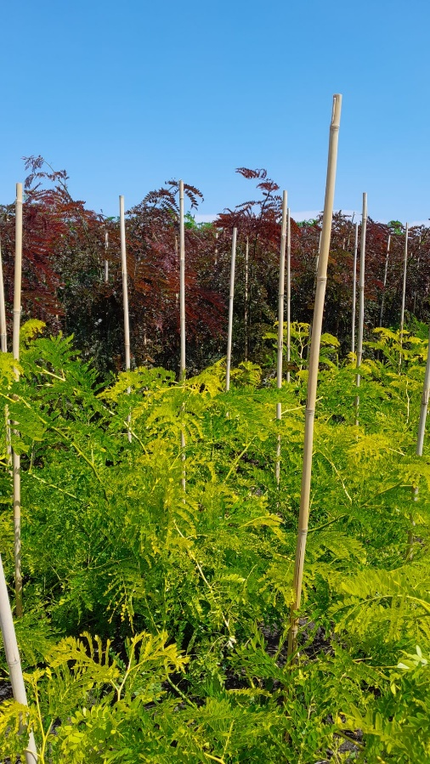
200 | Genista lydia | 25- 30 C2
200 | Genista sagittalis | 15- 20 C2
200 | Genista tinctoria 'Royal Gold' | 30- 40 C2
90 | Gleditsia triac.'Rubylace' * * NEW * * | 125-150 struik
190 | Gleditsia triac.'Skyline' | 150-175 struik
50 | Gleditsia triac.'Spectrum' | 100-125 struik
225 | Gleditsia triac.'Spectrum' | 125-150 struik
50 | Gleditsia triac.'Sunburst' | 100-125 struik
225 | Gleditsia triac.'Sunburst' | 125-150 struik
50 | Halesia carolina | 80-100
15 | Halesia carolina | 100-125
25 | Hamamelis intermedia 'Aphrodite' | 60- 80
75 | Hamamelis intermedia 'Aphrodite' | 80-100
100 | Hamamelis intermedia 'Arnold Promise' | 50- 60
400 | Hamamelis intermedia 'Arnold Promise' | 60- 80
750 | Hamamelis intermedia 'Arnold Promise' | 80-100
25 | Hamamelis intermedia 'Arnold Promise' | 80-100 extra
50 | Hamamelis intermedia 'Arnold Promise' | 100-125
50 | Hamamelis intermedia 'Diane' | 50- 60
220 | Hamamelis intermedia 'Diane' | 60- 80
175 | Hamamelis intermedia 'Diane' | 80-100 | Gleditsia triac. 'Sunburst' + 'Rubylace'
30 | Hamamelis intermedia 'Diane' | 80-100 extra
75 | Hamamelis intermedia 'Feuerzauber' | 50- 60
125 | Hamamelis intermedia 'Feuerzauber' | 60- 80
200 | Hamamelis intermedia 'Feuerzauber' | 80-100
30 | Hamamelis intermedia 'Feuerzauber' | 100-125
50 | Hamamelis intermedia 'Jelena' | 50- 60
200 | Hamamelis intermedia 'Jelena' | 60- 80
195 | Hamamelis intermedia 'Jelena' | 80-100
25 | Hamamelis intermedia 'Jelena' | 100-125
50 | Hamamelis intermedia 'Orange Beauty' | 60-80
100 | Hamamelis intermedia 'Pallida' | 50- 60
475 | Hamamelis intermedia 'Pallida' | 60- 80
450 | Hamamelis intermedia 'Pallida' | 80-100
30 | Hamamelis intermedia 'Pallida' | 100-125
25 | Hamamelis intermedia 'Rubin' | 50- 60
200 | Hamamelis intermedia 'Rubin' | 60- 80
125 | Hamamelis intermedia 'Rubin' | 80-100
25 | Hamamelis intermedia 'Rubin' | 100-125
75 | Hamamelis intermedia 'Ruby Glow' | 60- 80
45 | Hamamelis intermedia 'Sunburst' | 60- 80
25 | Hamamelis intermedia 'Westerstede' | 50- 60
125 | Hamamelis intermedia 'Westerstede' | 60- 80
90 | Hamamelis intermedia 'Westerstede' | 80-100
55 | Hamamelis intermedia 'Westerstede' | 100-125
75 | Hamamelis virginiana | 60- 80
50 | Hamamelis virginiana | 80-100
100 | Hamamelis virginiana | 100-125
500 | Hedera colchica 'Fall Favourite' | 25- 30 C3
250 | Hedera helix 'Arborescens' | 25- 30 C3
1,000 | Hedera helix 'Arborescens' | 30- 40 C3
100 | Hedera helix 'Arborescens' | 40- 60 C5
550 | Heptacodium miconioides | 60- 80
590 | Heptacodium miconioides | 80-100
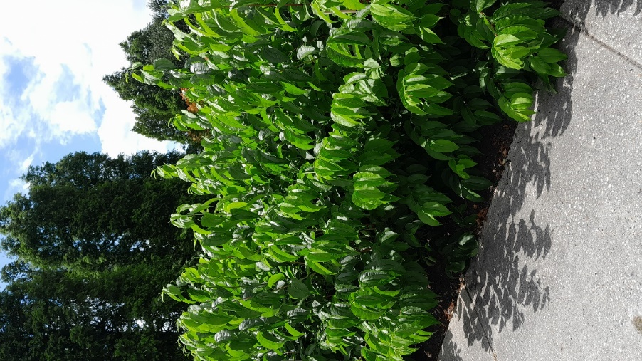
25 | Heptacodium miconioides | 80-100 C15
800 | Heptacodium miconioides | 100-125
10 | Heptacodium miconioides | 100-125 C12
50 | Heptacodium miconioides | 100-125 C15
750 | Heptacodium miconioides | 125-150 extra
65 | Heptacodium miconioides | 150-175 extra
25 | Hibiscus syriacus 'Ardens | 60-80
100 | Hibiscus syriacus 'Hamabo' | 60- 80
10 | Hibiscus syriacus 'Hamabo' | 90-100cm stam
350 | Hibiscus syriacus 'Oiseau Blue' | 50- 60
125 | Hibiscus syriacus 'Oiseau Blue' | 60- 80
200 | Hibiscus syriacus 'Oiseau Blue' | 80-100
120 | Hibiscus syriacus 'Oiseau Blue' | 80-90cm stam
200 | Hibiscus syriacus 'Pink Flirt' | 60- 80
125 | Hibiscus syriacus 'Red Heart' | 50- 60
200 | Hibiscus syriacus 'Red Heart' | 60- 80
20 | Hibiscus syriacus 'Red Heart' | 90cm stam
100 | Hibiscus syriacus 'Russion Violet' | 60- 80
200 | Hibiscus syriacus 'Speciosus' | 50- 60 | Heptacodium miconioides
125 | Hibiscus syriacus 'Speciosus' | 60- 80
50 | Hibiscus syriacus 'White Chiffon'® | 80-100
40 | Hibiscus syriacus 'White Chiffon'® | 100-125
200 | Hibiscus syriacus 'Woodbridge' | 60- 80
125 | Hibiscus syriacus 'Woodbridge' | 80-100
100 | Hibiscus syriacus 'Woodbridge' | 90cm stam
50 | Hibiscus syriacus 'W.R. Smith' | 40- 50
100 | Hippocrepis emerus | 20- 25 C1.5
250 | Hippocrepis emerus | 30-40 C3
400 | Hippocrepis emerus | 40-50 C3
1,750 | Hydrangea arborescens 'Annabelle' | 40cm
100 | Hydrangea arborescens 'Annabelle' | 60- 80
600 | Hydrangea arborescens 'Annabelle' | 80-100
100 | Hydrangea arborescens 'Grandiflora' | 40- 50 C3
70 | Hydrangea arborescens 'Grandiflora' | 50- 60 C5
50 | Hydrangea aspera 'Hot Chocolate'® | 50- 60
120 | Hydrangea aspera 'Hot Chocolate'® | 60- 80
300 | Hydrangea aspera 'Macrophylla' | 60-80
260 | Hydrangea aspera 'Macrophylla' | 80-100
50 | Hydrangea aspera 'Macrophylla' | 100-125 extra
50 | Hydrangea aspera sargentiana | 25- 30
30 | Hydrangea aspera sargentiana | 40- 50
290 | Hydrangea aspera sargentiana | 40- 50 C7.5
90 | Hydrangea aspera sargentiana | 50- 60
40 | Hydrangea aspera sargentiana | 60- 80
 | Hydrangea macrophylla in soorten/ varieties | lvb C2 FOTO
700 | Hydrangea paniculata 'Bobo' ® | 40cm
475 | Hydrangea paniculata 'Candlelight' | 30- 40 C3
500 | Hydrangea paniculata 'Grandiflora' | 30- 40 C3
150 | Hydrangea paniculata 'Grandiflora' | 40- 60 C5
475 | Hydrangea paniculata 'Limelight' ® | 40- 50
300 | Hydrangea paniculata 'Limelight' ® | 80-100
100 | Hydrangea paniculata 'Limelight' ® | 100cm stam C5
285 | Hydrangea paniculata 'Limelight' ® | 120cm stam C7.5
350 | Hydrangea paniculata 'Little Lime' | 40- 50 C5
500 | Hydrangea paniculata 'Phantom' | 30- 40 C3
150 | Hydrangea paniculata 'Limelight' ® | 80-100
100 | Hydrangea paniculata 'Phantom' | 100cm stam C5
425 | Hydrangea paniculata 'Phantom' | 120cm stam C7.5
325 | Hydrangea paniculata 'Pink Diamond' | 30- 40 C3
200 | Hydrangea paniculata 'Pinky Winky'® | 40- 50
25 | Hydrangea paniculata 'Pinky Winky'® | 50- 60
200 | Hydrangea paniculata 'Pinky Winky'® | 60- 80
100 | Hydrangea paniculata 'Silver Dollar' | 40- 60 C5
365 | Hydrangea paniculata 'Skyfall'® | 40- 50
200 | Hydrangea paniculata 'Skyfall'® | 100cm stam C5
135 | Hydrangea paniculata 'Skyfall'® | 120cm stam C7.5
225 | Hydrangea paniculata 'Sundae Fraise'® | 30- 40 C3
135 | Hydrangea paniculata 'Sundae Fraise'® | 100cm stam C5
225 | Hydrangea paniculata 'Vanille-Fraise'® | 30- 40 C3
175 | Hydrangea paniculata 'Vanille-Fraise'® | 120cm stam C7.5
150 | Hydrangea paniculata 'Wim's Red' | 40- 60 C5
165 | Hydrangea paniculata 'Wim's Red' | 120cm stam C7.5
75 | Hydrangea petiolaris | 60- 80
135 | Hydrangea petiolaris | 80-100
200 | Hydrangea petiolaris | 100-125
100 | Hydrangea petiolaris | 125cm
150 | Hydrangea quercifolia | 50- 60
600 | Hydrangea quercifolia | 60- 80
19 | Hydrangea quercifolia | 60- 80 C10
200 | Hydrangea quercifolia 'Alice' | 60- 80
400 | Hydrangea quercifolia 'Alice' | 80-100
39 | Hydrangea quercifolia 'Alice' | 80-100 C10
150 | Hydrangea quercifolia 'Burgundy' | 50- 60
250 | Hydrangea quercifolia 'Burgundy' | 60- 80
35 | Hydrangea quercifolia 'Burgundy' | 80-100 C10
75 | Hydrangea quercifolia 'Ruby Slippers' | 40- 50
150 | Hydrangea quercifolia 'Snowflake' | 40- 50
 | Hydrangea serrata in soorten/ varieties | lvb C2 FOTO
50 | Hydrangea villosa | 80-100
175 | Ilex altaclerensis 'Golden King' | 60- 80
48 | Ilex altaclerensis 'Golden King' | 80-100
95 | Ilex altaclerensis 'Golden King' | 100-125
185 | Ilex aquifolium | 80-100 bossig | Hydrangea quercifolia in cultivars
130 | Ilex aquifolium | 100cm stam BOL
85 | Ilex aquifolium 'Argentea Marginata' | 80-100
50 | Ilex aquifolium 'Argentea Marginata' | 100-125
50 | Ilex aquifolium 'Golden van Tol' | 60cm stam BOL
40 | Ilex aquifolium 'Golden van Tol' | 80cm stam BOL
500 | Ilex aquifolium 'J.C. van Tol' | 60- 80
225 | Ilex aquifolium 'J.C. van Tol' | 80-100
185 | Ilex aquifolium 'J.C. van Tol' | 100-125
150 | Ilex aquifolium 'J.C. van Tol' | 125-150
50 | Ilex aquifolium 'J.C. van Tol' | 150-175
75 | Ilex aquifolium 'J.C. van Tol' | 60cm stam BOL
65 | Ilex aquifolium 'J.C. van Tol' | 100cm stam BOL
50 | Ilex aquifolium 'Madame Briot' | 80-100
45 | Ilex meservae 'Blue Prince' | 60- 80
75 | Ilex verticillata | 50- 60
275 | Indigofera heterantha | 30- 40 C3
65 | Itea virginica 'Henry's Garnet' | 40- 50
45 | Kalmia angustifolia 'Rubra' | 25- 30 C4
100 | Kalmia latifolia | 25- 30
150 | Kalmia latifolia | 30- 40
150 | Kalmia latifolia | 40- 60
250 | Koelreuteria paniculata | 100-125
250 | Koelreuteria paniculata | 125-150 struik
225 | Koelreuteria paniculata | 150-175 struik
25 | Koelreuteria paniculata | 200cm extra
40 | Koelreuteria paniculata | 200-225 extra
50 | Laburnum alpinum 'Pendulum' | 120cm stam
250 | Laburnum watereri 'Vossii' | 60-80W 3/5T
85 | Laburnum watereri 'Vossii' | 90cm stam W
225 | Laburnum watereri 'Vossii' | 120cm stam W
200 | Leycesteria formosa 'Purple Rain' | 40- 50 C3
75 | Ligustrum jap.'Rotundifolium' | 30- 40 C
165 | Liquidambar styraciflua | 100-125 C5
300 | Liquidambar styraciflua | 125-150 spil
100 | Liquidambar styraciflua | 150-175 spil
45 | Liquidambar styraciflua | 175-200 spil
475 | Liquidambar styr. 'Slender Silhouette' | 125-150
95 | Liquidambar styr. 'Slender Silhouette' | 125-150 struik
100 | Liquidambar styr. 'Worplesdon' | 125-150 struik
31 | Liquidambar styr. 'Worplesdon' | 125-150 STR C25
75 | Liriodendron tulipifera | 100-125 C5
100 | Liriodendron tulipifera | 125-150 C5
50 | Liriodendron tulipifera | 175-200
25 | Maackia amurensis | 80-100
100 | Magnolia 'Black Tulip'® | 80-100
15 | Magnolia 'Black Tulip'® | 100-125
75 | Magnolia brooklynensis 'Yellow Bird' | 80-100
20 | Magnolia brooklynensis 'Yellow Bird' | 100-125
75 | Magnolia brooklynensis 'Yellow River' | 80-100
100 | Magnolia 'Cleopatra'® | 125-150 extra
25 | Magnolia 'Butterflies' | 80-100
25 | Magnolia 'Daphne' | 60- 80
50 | Magnolia 'Daphne' | 80-100
50 | Magnolia 'Daybreak' | 80-100
100 | Magnolia 'Felix Jury'® | 50- 60
50 | Magnolia 'Galaxy' | 80-100
150 | Magnolia 'Galaxy' | 100-125
15 | Magnolia 'Genie'® | 60- 80
15 | Magnolia 'Genie'® | 80-100
30 | Magnolia 'Genie'® | 100-125
100 | Magnolia 'Genie'® | 125-150 extra
75 | Magnolia 'George Henry Kern' | 80-100
75 | Magnolia 'Heaven Scent' | 80-100
125 | Magnolia 'Heaven Scent' | 100-125
15 | Magnolia 'Heaven Scent' | 150-175 extra
50 | Magnolia kobus | 80-100
20 | Magnolia kobus | 125-150 C20
50 | Magnolia liliiflora 'Nigra' | 60- 80
90 | Magnolia liliiflora 'Nigra' | 80-100
80 | Magnolia liliiflora 'Nigra' | 100-125
50 | Magnolia loebneri 'Leonard Messel' | 60- 80
100 | Magnolia loebneri 'Leonard Messel' | 80-100
175 | Magnolia loebneri 'Leonard Messel' | 100-125
100 | Magnolia loebneri 'Merrill' | 60- 80
110 | Magnolia loebneri 'Merrill' | 80-100
75 | Magnolia loebneri 'Merrill' | 100-125
25 | Magnolia sieboldii | 60- 80
100 | Magnolia sieboldii | 80-100
50 | Magnolia sieboldii | 100-125
100 | Magnolia soulangeana | 60- 80
340 | Magnolia soulangeana | 80-100
160 | Magnolia soulangeana | 100-125
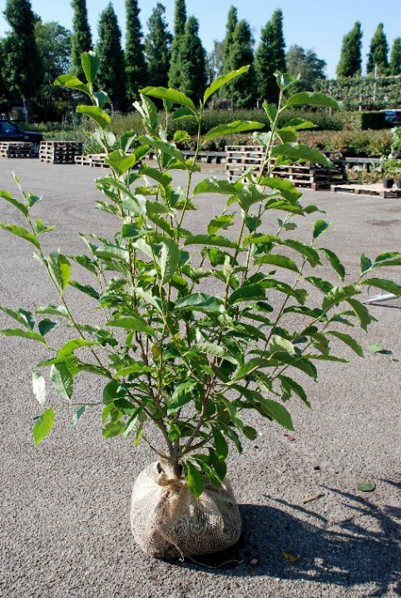
50 | Magnolia soulangeana | 125-150
45 | Magnolia soulangeana 'Alba Superba' | 60- 80
75 | Magnolia soulangeana 'Alba Superba' | 80-100
180 | Magnolia soulangeana 'Alba Superba' | 100-125
100 | Magnolia soulangeana 'Lennei' | 80/+ C10
10 | Magnolia soulangeana 'Satisfaction' | 80-100
175 | Magnolia soulangeana 'Superba' | 60- 80
85 | Magnolia soulangeana 'Superba' | 80-100
250 | Magnolia stellata | 50- 60
150 | Magnolia stellata | 60- 80
195 | Magnolia stellata | 80-100
50 | Magnolia stellata | 100-125 extra
200 | Magnolia stellata | 125-150 extra
50 | Magnolia stellata 'Royal Star' | 60- 80
200 | Magnolia stellata 'Royal Star' | 80-100
45 | Magnolia stellata 'Waterlily' | 50- 60
5 | Magnolia 'Sunsation' | 100-125 | Magnolia soulangeana
85 | Magnolia 'Sunsation' | 125-150 extra
25 | Magnolia 'Susan' | 50- 60
110 | Magnolia 'Susan' | 60- 80
250 | Magnolia 'Susan' | 80-100
100 | Magnolia 'Susan' | 100-125
250 | Magnolia 'Susan' | 125-150 extra
250 | Mahonia aquifolium 'Apollo' | 20- 25
300 | Mahonia aquifolium 'Apollo' | 25- 30
100 | Mahonia aquifolium 'Apollo' | 30- 40
300 | Mahonia aquifolium 'Atropurpurea' | 30- 40
100 | Mahonia japonica 'Hivernant' | 40- 50
175 | Mahonia japonica 'Hivernant' | 50- 60
175 | Mahonia media 'Charity' | 50- 60
250 | Mahonia media 'Charity' | 60- 80
175 | Mahonia media 'Winter Sun' | 50- 60
300 | Mahonia media 'Winter Sun' | 60- 80
350 | Mahonia wagneri 'Pinnacle' | 40- 50
200 | Malus 'Evereste' | 125-150 3-4tak
350 | Malus 'Red sentinel' | 125-150 3-4tak
125 | Myrica gale | 30-40
250 | Myrica gale | 60- 80 C4
30 | Nothofagus antarctica | 80-100
175 | Nothofagus antarctica | 100-125
200 | Nothofagus antarctica | 125-150
185 | Nothofagus antarctica | 150-175
50 | Nothofagus antarctica | 175-200
250 | Nyssa sylvatica | 60- 80 C7.5
150 | Nyssa sylvatica | 80-100 C7.5
100 | Osmanthus burkwoodii | 50- 60
250 | Osmanthus burkwoodii | 60- 80
750 | Osmanthus burkwoodii | 80-100
250 | Osmanthus burkwoodii | 100-125
275 | Osmanthus burkwoodii | 125-150
125 | Osmanthus heterophyllus | 60- 80
275 | Osmanthus heterophyllus | 80-100
270 | Osmanthus heterophyllus | 100-125
300 | Osmanthus heterophyllus | 125-150
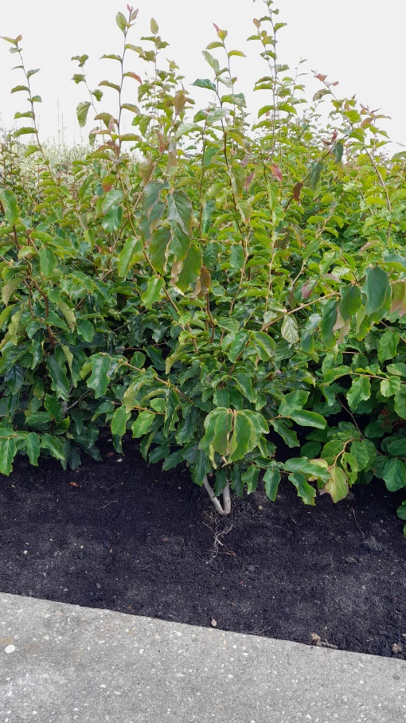
500 | Paeonia suffruticosa white or colors | GM C1.5
125 | Parrotia persica | 80-100 struik
500 | Parrotia persica | 100-125 struik
200 | Parrotia persica | 125-150 struik
50 | Parrotia persica 'Bella' | 80-100 struik
100 | Parrotia persica 'Bella' | 100-125 struik
75 | Parrotia persica 'Persian Spire' | 60- 80
200 | Parrotia persica 'Vanessa' | 80-100 struik
250 | Parrotia persica 'Vanessa' | 100-125 struik
50 | Parrotia persica 'Vanessa' | 125-150
55 | Parrotiopsis jacpuemontiana | 60- 80
100 | Paulownia tomentosa | 100-125
100 | Paulownia tomentosa | 125-150
125 | Philadelphus 'Belle Etoile' | 80-100
150 | Philadelphus 'Snowbelle' | 80-100
250 | Phillyrea angustifolia | 50- 60
250 | Phillyrea angustifolia | 60- 80 | Parrotia persica 'Vanessa'
175 | Phormium in soorten/ different varieties | 40- 60 C7
100 | Photinia fraseri 'Little Red Robin' | 40- 50 C5
200 | Photinia fraseri 'Red Robin' | 40- 50 C3
400 | Photinia fraseri 'Red Robin' | 80cm stam C5
175 | Photinia fraseri 'Red Robin' | 80-100
190 | Photinia fraseri 'Red Robin' | 100-125
300 | Photinia fraseri 'Red Robin' | 125-150
150 | Photinia fraseri 'Red Robin' | 150-175
350 | Physocarpus opulifolius 'Diable d'Or'® | 30- 50 C3
500 | Physocarpus opulifolius 'Diabolo'® | 30- 50 C3
500 | Physocarpus opulifolius 'Lady in Red'® | 30- 50 C3
200 | Physocarpus opulifolius 'Red Baron' | 30- 50 C3
100 | Prunus 'Accolade' | 125-150 3-5tak
100 | Prunus cerasifera 'Nigra' | 120cm stam C7.5
200 | Prunus cerasifera 'Nigra' | 125-150 3-5tak
250 | Prunus cistena | 125-150 3-5tak
250 | Prunus incisa 'Kojou-no-mai' | 60-80
125 | Prunus incisa 'Kojou-no-mai' | 80cm stam C5
200 | Prunus laurocerasus 'Caucasica' | 60- 80
175 | Prunus laurocerasus 'Etna' | 60- 80
365 | Prunus laurocerasus 'Genolia' ® | 80-100
425 | Prunus laurocerasus 'Herbergii' | 80-100
350 | Prunus laurocerasus 'Mano' | 40- 50
700 | Prunus laurocerasus 'Mount Vernon' | 25- 30 C3
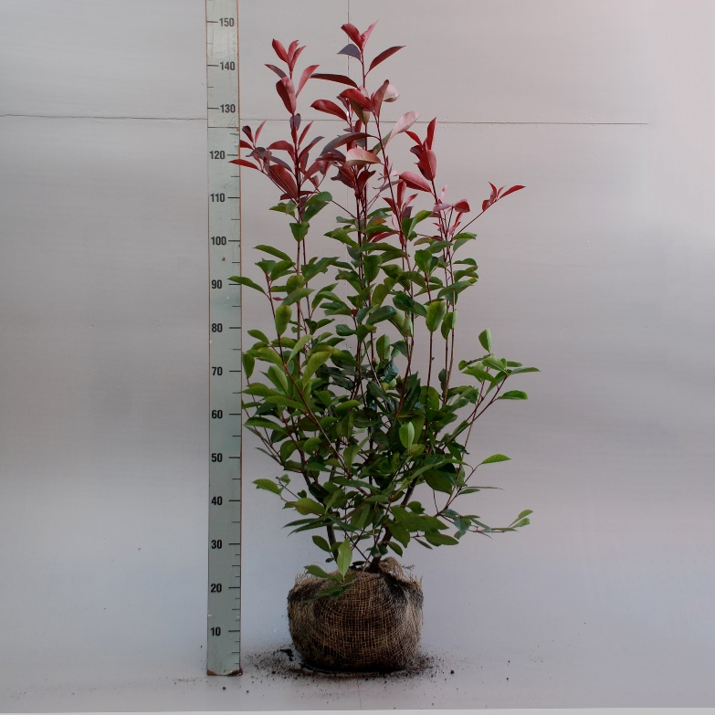
635 | Prunus laurocerasus 'Novita' | 60- 80
550 | Prunus laurocerasus 'Otto Luyken' | 40- 50
215 | Prunus laurocerasus 'Piri' | 30- 40
300 | Prunus laurocerasus 'Rotundifolia' | 80-100
1,200 | Prunus lusitanica 'Angustifolia' | 40- 50 C3
345 | Prunus lusitanica 'Angustifolia' | 60- 80
475 | Prunus lusitanica 'Angustifolia' | 80-100
500 | Prunus lusitanica 'Angustifolia' | 100-125
200 | Prunus sargentii | 125-150 3-5 tak
500 | Prunus serrula | 125-150 3-5 tak
200 | Prunus serrulata 'Amanogawa' | 125-150 3-5 tak
300 | Prunus serrulata 'Kanzan' | 125-150 3-5 tak
250 | Prunus serrulata 'Kanzan' | 180cm stam C10
250 | Prunus serrulata 'Royal Burgundy' | 120cm stam C7.5
300 | Prunus serrulata 'Royal Burgundy' | 125-150 3-5 tak
300 | Prunus subhirtella 'Autumnalis Rosea' | 125-150 3-5 tak
400 | Prunus subhirtella 'Autumnalis Rosea' | 120cm stam C7.5
100 | Prunus 'The Bride' | 125-150 3-5 tak | Photinia fraseri 'Red Robin'
200 | Prunus yedoensis | 125-150 3-5 tak
365 | Prunus triloba | 50 -60 C5
90 | Ptelea trifoliata | 125-150
55 | Pseudocydonia sinensis | 60-100
200 | Pyracantha cocc.'Red Column' | 60- 80 C2
250 | Pyracantha 'Golden Charmer' | 60- 80 C2
175 | Pyracantha 'Orange Glow' | 60- 80 C2
200 | Pyracantha 'Soleil d'Or' | 60- 80 C2
200 | Quercus bimundorum 'Crimschmidt' | 100-125
65 | Quercus coccinea 'Splendens' | 60- 80 C4
65 | Quercus frainetto | 80-100 C4
200 | Quercus ilex | 60- 80
250 | Quercus ilex | 80-100
75 | Quercus palustris 'Green Pillar' | 175-200
40 | Quercus palustris 'Green Pillar' | 200-250
85 | Quercus robur 'Fastigiata Koster' | 175-200
50 | Quercus robur 'Fastigiata Koster' | 200-250
35 | Quercus texana 'New Madrid' | 125-150 C4
45 | Quercus turneri 'Pseudoturneri' | 60- 80 C4
35 | Rhododendron luteum | 25- 30
150 | Rhododendron luteum | 30- 40
200 | Rhododendron 'Praecox' | 30- 40
50 | Rhus typhina | 80-100 2tak
50 | Rhus typhina | 100-125 2tak
100 | Rhus typhina | 150-175 3tak MEERS
45 | Rhus typhina | 175-200 3tak MEERS
65 | Rhus typhina 'Dissecta' | 80-100 C5 1tak
250 | Ribes sanguineum 'King Edward VII' | 80-100 C5
350 | Rubus 'Benenden' | lvb C1.2
385 | Salix caprea 'Kilmarnock' | 120cm stam C7.5
400 | Salix caprea 'Kilmarnock' | 150cm stam C7.5
400 | Salix caprea 'Kilmarnock' | 180cm stam C7.5
350 | Salix gracilistyla 'Mt. Aso' | 120cm stam C5
800 | Salix integra 'Hakuro-Nishiki' | 100cm stam C5
500 | Salix integra 'Hakuro-Nishiki' | 120cm stam C7.5
500 | Salix integra 'Hakuro-Nishiki' | 150cm stam C7.5
500 | Salix integra 'Hakuro-Nishiki' | 180cm stam C7.5
125 | Sambucus nigra 'Black Beauty' ® | 30- 40 C5
265 | Sambucus nigra 'Black Lace' ® | 40- 50 C5
150 | Sambucus nigra 'Black Lace' ® | 60- 80 C10
30 | Sambucus nigra 'Black Lace' ® | 100-125
65 | Sambucus nigra 'Black Tower' | 80/+ C10
250 | Sambucus nigra 'Golden Tower' ® | 30- 40 C3
250 | Sambucus nigra 'Gold Spark' ® | 30- 40 C3
255 | Sambucus nigra 'Guincho Purple' | 30- 40 C3
500 | Sarcococca confusa | 30- 40 C4
600 | Sarcococca hookeriana humilis | 20- 25 C2
350 | Sarcococca hookeriana humilis | 30- 35 C4
500 | Sorbaria sorbifolia 'Sem' | 30- 40 C3
350 | Sorbus 'Dodong' | 80-100 C3 spil
50 | Sorbus 'Dodong | 100-125 struik
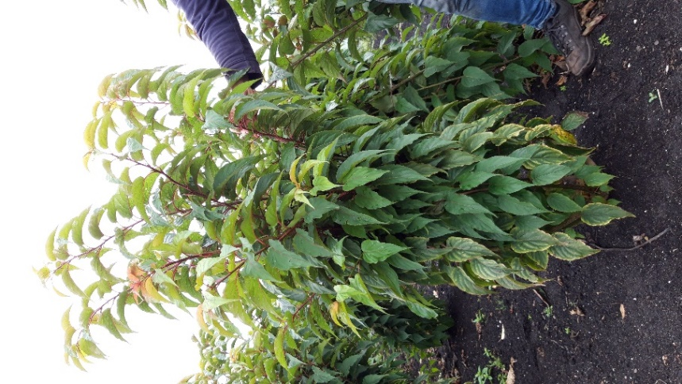
140 | Sorbus 'Dodong | 125-150 struik
50 | Stachyurus praecox | 60- 80
100 | Stachyurus praecox | 80-100
45 | Stachyurus praecox | 100-125
125 | Stachyurus praecox | 125-150
30 | Staphylea bumalda | 80-100
50 | Staphylea colchica | 60- 80
175 | Staphylea colchica | 80-100
220 | Staphylea colchica | 100-125
50 | Staphylea colchica | 125-150
75 | Staphylea colchica 'Black Beauty' | 80-100
50 | Staphylea pinnata | 60- 80
100 | Staphylea pinnata | 80-100
50 | Staphylea pinnata | 100-125
50 | Stewartia pseudocamellia | 60- 80
50 | Stewartia pseudocamellia | 80-100
84 | Stewartia pseudocamellia | 80-100 C7.5
140 | Stewartia pseudocamellia | 100-125
200 | Stewartia pseudocamellia | 100-125 C7.5 | Stachyurus praecox
35 | Stewartia pseudocamellia | 125-150
300 | Styphnolobium japonicum (Sophora) | 100-125 struik
125 | Styphnolobium japonicum (Sophora) | 150-175 struik
85 | Styphnolobium japonicum 'Regent' | 150-175 struik
200 | Styrax japonicus | 50- 60 C4
10 | Styrax japonicus | 80-100
100 | Styrax japonicus | 100-125
100 | Styrax japonicus 'Evening Light'® | 50- 60 C4
100 | Styrax japonicus 'Pink Chimes'® | 40- 50 C4
150 | Styrax japonicus 'Snowfall' | 40- 50 C4
200 | Syringa afghanica | 60- 80
125 | Syringa afghanica | 80-100
100 | Syringa 'Agnes Smith' | 60- 80 3-4 tak
50 | Syringa 'Agnes Smith' | 80-100 5-7 tak
40 | Syringa 'Agnes Smith' | 125-150 smal
75 | Syringa 'Agnes Smith' | 150cm SOL
125 | Syringa chinensis 'Saugeana' | 60- 80
75 | Syringa josikaea | 80-100 5-7 tak
75 | Syringa josikaea | 100-125
75 | Syringa josikaea 'Holger' | 100-125 extra
125 | Syringa josikaea 'Holger' | 125-150 SOL
75 | Syringa josikaea 'Holger' | 150cm SOL
325 | Syringa meyeri 'Palibin' | PLG W X/1/1
100 | Syringa meyeri 'Palibin' | 50- 60
555 | Syringa meyeri 'Palibin' | 60- 80
150 | Syringa meyeri 'Palibin' | 80- 90 extra
50 | Syringa meyeri 'Palibin' | 80cm stam, 2jr kr
45 | Syringa meyeri 'Palibin' | 100cm stam, 2jr kr
250 | Syringa microphylla 'Superba' | PLG W X/1/1
525 | Syringa microphylla 'Superba' | 80-100
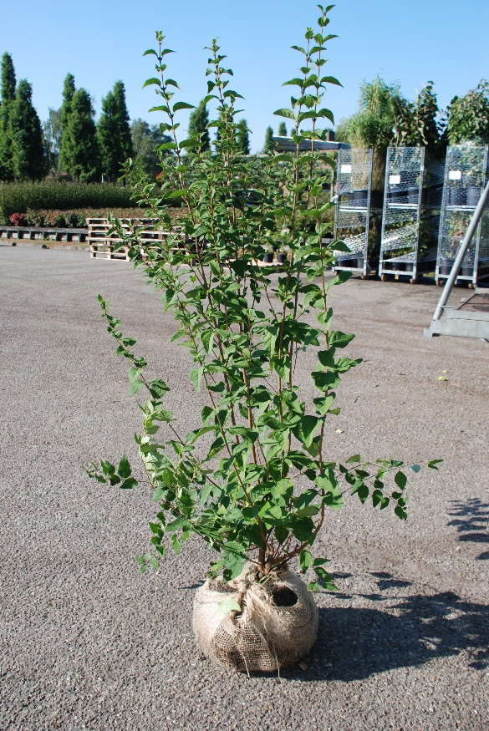
300 | Syringa microphylla 'Superba' | 100-125
40 | Syringa 'Miss Japan' | 125/+
120 | Syringa patula 'Miss Kim' | 50- 60
200 | Syringa persica | 60- 80
125 | Syringa persica | 80-100
200 | Syringa 'Redwine' | 60- 80, 3-4 tak
50 | Syringa 'Redwine' | 80-100, 5-7 tak
100 | Syringa reticulata 'Ivory Silk' | 60- 80
250 | Syringa vulgaris 'And.an Ludwig Späth' | 60- 80, 3-4 tak
125 | Syringa vulgaris 'And.an Ludwig Späth' | 80-100, 5-7 tak
250 | Syringa vulgaris 'And.an Ludwig Späth' | 125/+ extra
30 | Syringa vulgaris 'And.an Ludwig Späth' | 100cm stam
50 | Syringa vulgaris 'And.an Ludwig Späth' | 120cm stam
75 | Syringa vulgaris 'Belle de Nancy' | 60- 80, 3-4 tak
25 | Syringa vulgaris 'Belle de Nancy' | 80-100, 5-7 tak
60 | Syringa vulgaris 'Belle de Nancy' | 120cm stam C7.5
400 | Syringa vulgaris 'Beauty of Moscow' | 60- 80, 3-4 tak
100 | Syringa vulgaris 'Beauty of Moscow' | 80-100, 5-7 tak
175 | Syringa vulgaris 'Beauty of Moscow' | 125-150 SOL
25 | Syringa vulgaris 'Beauty of Moscow' | 150-175 SOL | Syringa microphylla 'Superba'
50 | Syringa vulgaris 'Beauty of Moscow' | 80cm stam
25 | Syringa vulgaris 'Beauty of Moscow' | 120cm stam
200 | Syringa vulgaris 'Charles Joly' | 60- 80, 3-4 tak
50 | Syringa vulgaris 'Charles Joly' | 80-100, 5-7 tak
75 | Syringa vulgaris 'Charles Joly' | 100-125 extra
450 | Syringa vulgaris 'Charles Joly' | 125/+ extra
100 | Syringa vulgaris 'Charles Joly' | 150-175 SOL
25 | Syringa vulgaris 'Charles Joly' | 80cm stam
20 | Syringa vulgaris 'Charles Joly' | 100cm stam
60 | Syringa vulgaris 'Charles Joly' | 120cm stam C7.5
75 | Syringa vulgaris 'Charles Joly' | 100-125 SOL
175 | Syringa vulgaris 'Katherine Havemeyer' | 60- 80, 3-4 tak
25 | Syringa vulgaris 'Katherine Havemeyer' | 80-100, 5-7 tak
50 | Syringa vulgaris 'Katherine Havemeyer' | 125-150 SOL
125 | Syringa vulgaris 'Katherine Havemeyer' | 150-175 SOL
45 | Syringa vulgaris 'Katherine Havemeyer' | 100cm stam
35 | Syringa vulgaris 'Katherine Havemeyer' | 120cm stam
100 | Syringa vulgaris 'Lila Wonder' | 60- 80, 3-4 tak
50 | Syringa vulgaris 'Lila Wonder' | 80-100, 5-7 tak
75 | Syringa vulgaris 'Lucie Baltet' | 125-150 SOL
400 | Syringa vulgaris 'Michel Buchner' | 60- 80, 3-4 tak
150 | Syringa vulgaris 'Michel Buchner' | 80-100, 5-7 tak
275 | Syringa vulgaris 'Michel Buchner' | 125-150 extra
40 | Syringa vulgaris 'Michel Buchner' | 175-200 SOL
20 | Syringa vulgaris 'Michel Buchner' | 100cm stam
30 | Syringa vulgaris 'Michel Buchner' | 120cm stam
100 | Syringa vulgaris 'Miss Japan' | 100-125 extra
100 | Syringa vulgaris 'Miss Japan' | 150-175 SOL
100 | Syringa vulgaris 'Mme Florent Stepman' | 60- 80, 3-4 tak
50 | Syringa vulgaris 'Mme Florent Stepman' | 80-100, 5-7 tak
75 | Syringa vulgaris 'Mme Lemoine' | 60- 80, 3-4 tak
75 | Syringa vulgaris 'Mme Lemoine' | 80-100, 5-7 tak
125 | Syringa vulgaris 'Mme Lemoine' | 100-125 extra
450 | Syringa vulgaris 'Mme Lemoine' | 125/+ extra
50 | Syringa vulgaris 'Mme Lemoine' | 150-175 SOL
30 | Syringa vulgaris 'Mme Lemoine' | 175-200 SOL
25 | Syringa vulgaris 'Mme Lemoine' | 80cm stam
25 | Syringa vulgaris 'Mme Lemoine' | 120cm stam
200 | Syringa vulgaris 'Norrfjärden' | 60- 80, 3-4 tak
10 | Syringa vulgaris 'Norrfjärden' | 80-100, 5-7 tak
15 | Syringa vulgaris 'Norrfjärden' | 125-150 SOL
50 | Syringa vulgaris 'Norrfjärden' | 150cm SOL
150 | Syringa vulgaris 'Primrose' | 60- 80, 3-4 tak
45 | Syringa vulgaris 'Primrose' | 100-125 extra
250 | Syringa vulgaris 'Sensation' | 60- 80, 3-4 tak
50 | Syringa vulgaris 'Sensation' | 80-100, 5-7 tak
250 | Syringa vulgaris 'Sensation' | 125-150 SOL
250 | Tamarix 'Hulsdonk White' | 40- 50 C3
150 | Tamarix parviflora | 50- 60 C4
250 | Tamarix ramossisima 'Pink Cascade' | 40- 50 C3
250 | Tamarix ramossisima 'Rubra' | 40- 50 C3
200 | Tamarix tetrandra | 50- 60 C5
200 | Tetradium daniellii | 80-100
340 | Tetradium daniellii | 100-125
40 | Tetradium daniellii | 100-125 C15
75 | Tetradium daniellii | 125-150
100 | Toona sinensis * * NEW * * | 150-175
100 | Toona sinensis 'Flamingo' | 60-80-100 2-3tak
110 | Toona sinensis 'Flamingo' | 100-125 af 2tak
100 | Toona sinensis 'Flamingo' | 125-150 af 2tak
50 | Toona sinensis 'Flamingo' | 150-175 af 2tak
100 | Ulmus hollandica 'Wredei' | 100-125
95 | Ulmus hollandica 'Wredei' | 125-150
25 | Ulmus hollandica 'Wredei' | 150/+
50 | Ulmus minor 'Jacqueline Hillier' | 40- 50
250 | Vaccinium corymbosum | 40- 50 C4
100 | Vaccinium corymbosum 'Duke' | 50- 60
125 | Vaccinium corymbosum 'Goldtraube 71' | 50- 60
100 | Vaccinium corymbosum 'Jersey' | 50- 60
125 | Vaccinium corymbosum 'Northland' | 50- 60
100 | Vaccinium corymbosum 'Reka' | 50- 60
150 | Vaccinium myrtillus | lvb P12
100 | Viburnum bodnantense 'Charles Lamont' | 60- 80
200 | Viburnum bodnantense 'Charles Lamont' | 80-100
740 | Viburnum bodnantense 'Charles Lamont' | 100-125
240 | Viburnum bodnantense 'Charles Lamont' | 125-150
40 | Viburnum bodnantense 'Charles Lamont' | 150-175
150 | Viburnum bodnantense 'Dawn' | 80-100
300 | Viburnum bodnantense 'Dawn' | 100-125
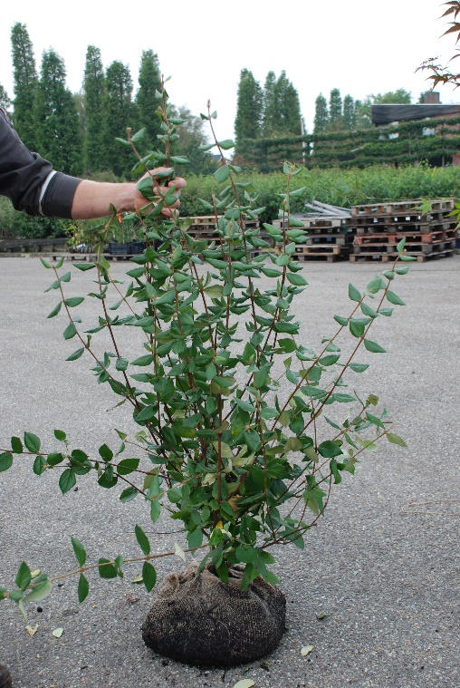
140 | Viburnum bodnantense 'Dawn' | 125-150
300 | Viburnum burkwoodii | 60- 80
650 | Viburnum burkwoodii | 80-100
150 | Viburnum burkwoodii 'Anne Russell' | 50- 60
200 | Viburnum burkwoodii 'Anne Russell' | 60- 80
100 | Viburnum burkwoodii 'Conoy' | 40- 50
75 | Viburnum burkwoodii 'Mohawk' | 50- 60
100 | Viburnum carlcephalum | 60- 80
375 | Viburnum carlcephalum | 80-100
50 | Viburnum carlesii | 40- 50
50 | Viburnum carlesii | 50- 60
130 | Viburnum carlesii 'Aurora' | 50- 60
300 | Viburnum carlesii 'Aurora' | 60- 80
100 | Viburnum davidii | 30- 40
125 | Viburnum davidii | 40- 50
80 | Viburnum 'Eskimo' | 40- 50
120 | Viburnum farreri | 50- 60
200 | Viburnum farreri | 60- 80 | Viburnum burkwoodii
75 | Viburnum farreri | 80-100
150 | Viburnum opulus 'Compactum' | 30- 40
100 | Viburnum opulus 'Roseum' | 60- 80
200 | Viburnum plicatum 'Grandiflorum' | 40- 50 C5
200 | Viburnum plicatum 'Kilimandjaro'® | 50- 60 C3
150 | Viburnum plicatum 'Kilimandjaro'® | 60- 80
50 | Viburnum plicatum 'Kilimandjaro'® | 100-125 PYR
80 | Viburnum plicatum 'Kilimandjaro'® | 125-150 PYR
100 | Viburnum plicatum 'Mariesii' | 50- 60
250 | Viburnum plicatum 'Mariesii' | 60- 80
200 | Viburnum plicatum 'Mariesii' | 80-100
250 | Viburnum plicatum 'Popcorn' | 40- 50 C5
500 | Viburnum plicatum 'Rosace' | 40- 50 C5
75 | Viburnum plicatum 'Watanabe' | 40- 50
25 | Viburnum plicatum 'Watanabe' | 50- 60
100 | Viburnum plicatum 'Watanabe' | 50- 60 C10
120 | Viburnum 'Pragense' | 50- 60
200 | Viburnum 'Pragense' | 60- 80
200 | Viburnum 'Pragense' | 80-100
100 | Viburnum rhytidophyllum | 50- 60
50 | Viburnum rhytidophyllum | 60- 80
250 | Viburnum tinus | 30- 40 C3
350 | Viburnum tinus | 40- 60 C5
50 | Viburnum tinus | 60- 80
125 | Viburnum tinus | 80-100
500 | Viburnum tinus 'Eve Price' | 30- 40 C3
300 | Viburnum tinus 'Eve Price' | 40- 50 C5
600 | Viburnum tinus 'Lilarose' | 40- 50 C3
300 | Viburnum tinus 'Lilarose' | 40- 50 C5
300 | Vitex agnus-castus | 30- 50 C3
100 | Vitex agnus-castus | 60- 80
25 | Zanthoxylum bungeanum | 60- 80 struik
20 | Zanthoxylum bungeanum | 80-100 struik
40 | Zanthoxylum simulans | 60- 80 struik
60 | Zanthoxylum simulans | 80-100 struik
50 | Zelkova serrata | 100-125
35 | Zelkova serrata | 125-150
75 | Zelkova serrata | 150-175

 | * Klimplanten - plantes grimpantes - Schlinger - climbers *
200 | Actinidia arguta 'Issai' | 80-100 C2
125 | Actinidia deliciosa 'Atlas' | 80-100 C2
125 | Actinidia deliciosa 'Hayward' | 80-100 C2
125 | Actinidia deliciosa 'Jenny' | 60- 70 C2
75 | Actinidia kolomikta | 80-100 C2
300 | Akebia quinata | 80-100 C2
225 | Aristolochia macrophylla | 60- 80 C2
600 | Campsis radicans | 80-100 C2
100 | Campsis radicans 'Flamenco' | 80-100 C2
250 | Campsis radicans 'Flava' | 80-100 C2
250 | Campsis tagliabuana 'Indian Summer' | 60- 80 C2
200 | Campsis tagliabuana 'Mme Galen' | 80-100 C2
 | Clematis in soorten/ varieties op aanvraag of: | 80cm C2
100 | Clematis alpina | 80cm C2 RP 2rank
250 | Clematis 'Aureolin' | 80cm C2 RP 2rank
125 | Clematis 'Bill MacKenzie' | 80cm C2 RP 2rank
500 | Clematis chrysicoma | 80cm C2 RP 2rank
125 | Clematis 'Elizabeth' | 80cm C2 RP 2rank
500 | Clematis 'Fragrant Spring' | 80cm C2 RP 2rank
75 | Clematis 'Francis Rivis' | 80cm C2 RP 2rank
500 | Clematis 'Marjorie' | 80cm C2 RP 2rank
750 | Clematis 'Mayleen' | 80cm C2 RP 2rank
750 | Clematis montana grandiflora | 80cm C2 RP 2rank
750 | Clematis montana rubens | 80cm C2 RP 2rank
500 | Clematis montana wilsonii | 80cm C2 RP 2rank
125 | Clematis 'Pink Perfection' | 80cm C2 RP 2rank
125 | Clematis 'Superba' | 80cm C2 RP 2rank
125 | Clematis 'Tetrarose' | 80cm C2 RP 2rank
500 | Clematis tibetana tangutica | 80cm C2 RP 2rank
1,000 | Clematis vitalba | 80cm C2 RP 2rank
600 | Fallopia baldschuanica | 60- 80 C2
 | Hedera in soorten op aanvraag
350 | Hedera algeriensis 'Gloire de Marengo' | 80-100 C2
250 | Hedera helix 'Goldheart' | 80-100 C2
500 | Hedera helix 'Woerner' | 80-100 C2
250 | Hedera hibernica | 80-100 C1.5
450 | Humulus lupulus | GM, C1.5
350 | Humulus lupulus 'Nordbrau' | GM, C1.7
200 | Jasminum nudiflorum | 50- 60 C2
250 | Jasminum officinale | 50- 60 C2
250 | Lonicera brownii 'Dropmore Scarlet' | 80cm C2 RP 2rank
150 | Lonicera caprifolium | 80cm C2 RP 2rank
450 | Lonicera heckrottii 'American Beauty' | 80cm C2 RP 2rank
300 | Lonicera heckrottii 'Goldflame' | 80cm C2 RP 2rank
1,000 | Lonicera henryi | 80cm C2 RP 2rank
300 | Lonicera japonica 'Hall's Prolific' | 80cm C2 RP 2rank
350 | Lonicera japonica 'Halliana' | 80cm C2 RP 2rank
200 | Lonicera japonica 'Red World' | 80cm C2 RP 2rank
600 | Lonicera periclymenum | 80cm C2 RP 2rank
250 | Lonicera periclymenum 'Belgica' | 80cm C2 RP 2rank
375 | Lonicera periclymenum 'Belgica Select' | 80cm C2 RP 2rank
225 | Lonicera pericl.'Graham Thomas' | 80cm C2 RP 2rank
300 | Lonicera periclymenum 'Serotina' | 80cm C2 RP 2rank
225 | Lonicera tellmanniana | 80cm C2 RP 2rank
75 | Morus nigra | 60- 80 C2
300 | Parthenocissus henryana | 80cm C2 RP 2rank
1,000 | Parthenocissus quinquefolia | 80cm C2 RP 2rank
1,000 | Parthenocissus quinq.'Engelmannii' | 80-100 C2
800 | Parthenocissus tricusp.'Veitch Boskoop' | 80-100 C2
750 | Parthenocissus tricusp.'Veitchii' | 80-100 C2
150 | Passiflora caerulea | 80-100 C2
250 | Passiflora caerulea 'Const.Elliott' | 80-100 C2
150 | Passiflora 'Purple Haze' | 80-100 C2
1,000 | Trachelospermum jasminoides | 80-100 C2
150 | Vitis vinifera 'Purpurea' | 80-100 C2
90 | Vitis 'Aurore' | 80-100 C2
130 | Vitis 'Bianca' | 80-100 C2
200 | Vitis 'Boskoop Glory' | 80-100 C2
160 | Vitis 'Frankenthaler' | 80-100 C2
225 | Vitis 'Muscaat of Alexandria' | 80-100 C2
50 | Vitis 'Muscat Blanc a Petits Grains' | 80-100 C2
250 | Vitis 'Nordica' | 80-100 C2
50 | Vitis 'Regent' | 80-100 C2
300 | Vitis 'Rembrandt' | 80-100 C2
200 | Vitis 'Vroege van der Laan' | 80-100 C2
250 | Vitis 'Zilga' | 80-100 C2
200 | Wisteria florida 'Domino' | C2RP
250 | Wisteria florida 'Honbenii' | C2RP
200 | Wisteria florida 'Multijuga' | C2RP
500 | Wisteria florida 'Shiro-noda' | C2RP
200 | Wisteria floribunda 'Shiro-noda' | C2RP
72 | Wisteria floribunda 'Shiro-noda' | 180cm 2r C10
500 | Wisteria sinensis 'Prolific' | 80-100, C2, AF1
250 | Wisteria sinensis 'Prolific' | 100-125 C
240 | Wisteria sinensis 'Prolific' | 180cm 2r W
260 | Wisteria sinensis 'Prolific' | 180cm 2r C10

 | * Coniferen - conifères - Koniferen - conifers *
100 | Abies normanniana | 60- 80
200 | Araucaria araucana - not for UK | 30- 40 C4
75 | Cedrus libani 'Atlantica Pendula' | 125-150
75 | Cedrus libani 'Atlantica Pendula' | 150-175
50 | Cedrus libani 'Glauca' | 80-100
90 | Cedrus libani 'Glauca' | 100-125
100 | Cedrus libani 'Glauca' | 125-150
50 | Cedrus libani 'Glauca Pendula' | 100-125
175 | Chamaecyparis obtusa 'Nana Gracilis' | 25- 30
150 | Chamaecyparis obtusa 'Nana Gracilis' | 30- 40
75 | Chamaecyparis obtusa 'Nana Gracilis' | 40- 50
75 | Ginkgo biloba | 100-125 C4
50 | Ginkgo biloba | 150-175 struik
80 | Ginkgo biloba 'Mariken' | 80ST C7.5 2jrkr
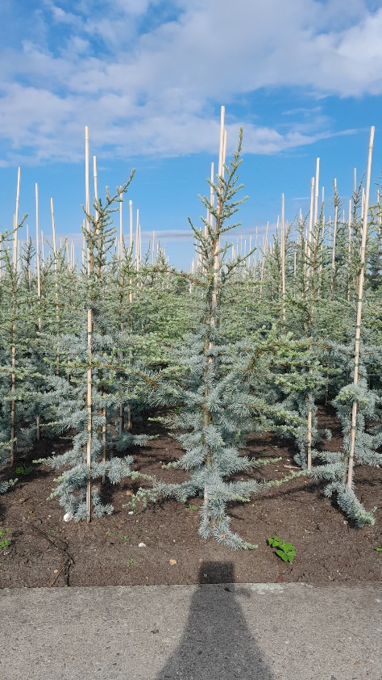
50 | Ginkgo biloba 'Mariken' | 120ST C10 2jrkr
200 | Ginkgo biloba 'Menhir' | 60- 80 C4
100 | Ginkgo biloba 'Menhir' | 100-125
100 | Juniperus communis 'Arnold' | 50- 60
90 | Juniperus communis 'Gold Cone' | 80-100
75 | Juniperus communis 'Hibernica' | 100-125
75 | Juniperus communis 'Norrback' | 100-125
75 | Juniperus communis 'Pyramidalis' | 100-125
25 | Juniperus communis 'Sentinel' | 100-125
100 | Juniperus communis 'Suecica' | 80-100
100 | Juniperus communis 'Suecica' | 100-125
100 | Juniperus scoparius 'Blue Arrow' | 80-100
100 | Metasequoia glyptostroboides | 80-100 C5
75 | Metasequoia glyptostroboides | 100-125 C7.5
100 | Metasequoia glypt. 'Amber Glow'® | 80-100 C4
75 | Metasequoia glypt. 'Chubby'® | 80-100 C4
65 | Larix decidua 'Puli' | 120cm stam C7.5 | Cedrus libani 'Glauca'
75 | Larix kaempferi 'Blue Dwarf' | 80cm stam C5
150 | Larix kaempferi 'Stiff Weeper' | 120cm stam C7.5
100 | Larix kaempferi 'Stiff Weeper' | 150cm stam C7.5
100 | Picea omorika 'Nana' | 30- 40
125 | Picea pungens 'Glauca Globosa' | 30- 40
75 | Pinus flexilis 'Vanderwolf's Pyramid' | 50- 60
50 | Pinus flexilis 'Vanderwolf's Pyramid' | 60 -80
75 | Pinus heldreichii 'Green Giant' | 50- 60
75 | Pinus heldreichii 'Malinki' | 40- 50
75 | Pinus heldreichii 'Satellit' | 50- 60
75 | Pinus monticola 'Ammerland' | 50- 60
75 | Pinus mugo 'Benjamin' | 30- 40
75 | Pinus mugo 'Columbo' | 40 -50
150 | Pinus mugo 'Gnom' | 30- 40 C5
50 | Pinus mugo 'Gnom' | 40- 50
75 | Pinus mugo 'Gnom' | 50- 60
30 | Pinus mugo 'Mops' | 20- 25
75 | Pinus mugo 'Mops' | 30 -40
75 | Pinus mugo 'Mops' | 40- 50
400 | Pinus mugo mugo | 30- 40
400 | Pinus mugo mugo | 40- 50
75 | Pinus mugo 'Ophir' | 30- 40
200 | Pinus mugo pumilio | 30- 40
200 | Pinus mugo pumilio | 40- 50
75 | Pinus mugo 'Varella' | 30- 40
40 | Pinus mugo 'Winter Gold' | 30- 40 C7.5
75 | Pinus nigra 'Green Rocket' | 50- 60
75 | Pinus nigra 'Green Tower' | 40- 50
75 | Pinus nigra 'Nana' | 40- 50
75 | Pinus nigra 'Oregon Green' | 40- 50
75 | Pinus nigra 'Pyramidalis' | 50- 60
75 | Pinus nigra 'Richard' | 40- 50
250 | Pinus parviflora 'Glauca' | 25- 30 C3
100 | Pinus parviflora 'Negishi' | 60- 80
75 | Pinus sylvestris 'Watereri' | 40- 50
150 | Pinus sylvestris 'Watereri' | 50- 60
60 | Pinus sylvestris 'Watereri' | 60- 70
40 | Pinus sylvestris 'Wintergold' | 30- 40 C7.5
300 | Sciadopitys verticillata | 40- 50 C
200 | Taxus baccata 'Repandens' | 25- 30
200 | Taxus baccata 'Repandens' | 30- 40
300 | Taxus media 'Hillii' | 30- 40
200 | Thuja occidentalis 'Brabant' | 150-175
75 | Thuja occidentalis 'Brabant' | 175-200
75 | Thuja occidentalis 'Smaragd' | 120-140
25 | Thuja occidentalis 'Smaragd' | 175-200

Vraag ons ook naar de soorten en maten die niet vermeld staan, we helpen u graag !
Please do also ask for varieties and sizes not-mentioned, we are willing to help you !
Bitte fragen Sie uns auch nicht genannte Sorten und Grössen an, wir helfen Ihnen gerne !
Demandez nous aussi des mesures et variéts non-mentionnés, nous aimerons de vous aider !

